NaiveBayes
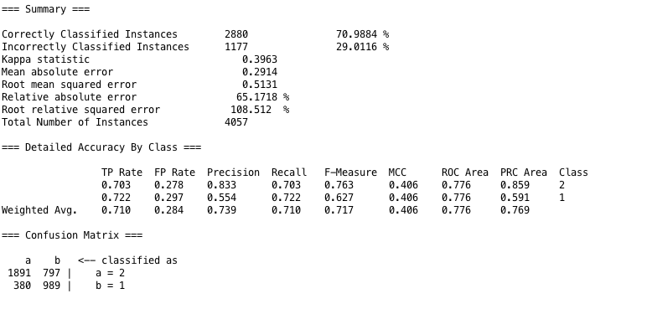
Test 1 | Attribute Evaluator | Search Method
Attributes Selected | CorrelationAttributeEval | Ranker

Classifier Method | NaiveBayes

Logistic
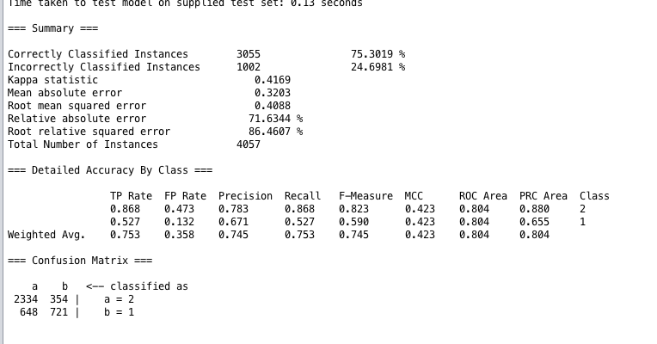
Test 1 | Attribute Evaluator | Search Method
Attributes Selected | CorrelationAttributeEval | Ranker

Classifier Method | Logistic

RandomForest
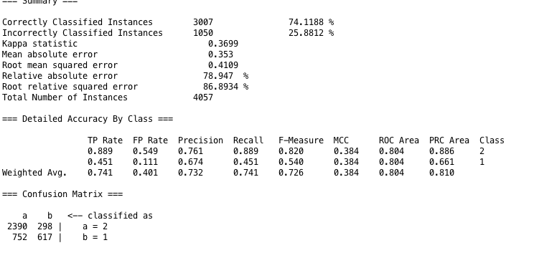
Test 1 | Attribute Evaluator | Search Method
Attributes Selected | CorrelationAttributeEval | Ranker

Classifier Method | RandomForest

RandomTree
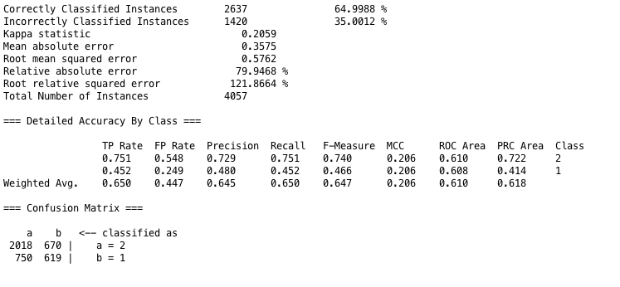
Test

Test 1 | Attribute Evaluator | Search Method
Attributes Selected | CorrelationAttributeEval | Ranker

Classifier Method | RandomTree

IBK
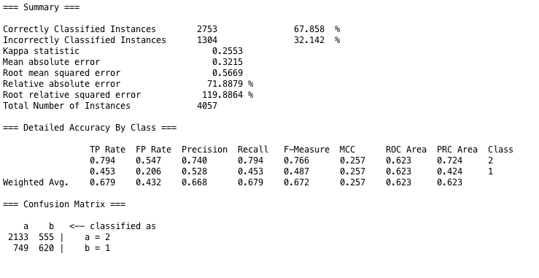
Test 1 | Attribute Evaluator | Search Method
Attributes Selected | CorrelationAttributeEval | Ranker

Classifier Method | IBK

OneR
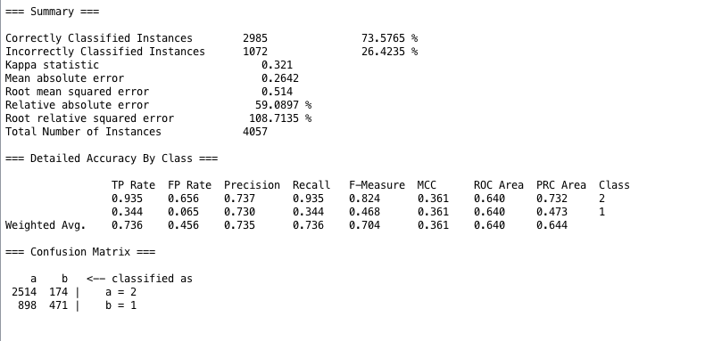
Test 1 | Attribute Evaluator | Search Method
Attributes Selected | CorrelationAttributeEval | Ranker

Classifier Method | OneR

